TB
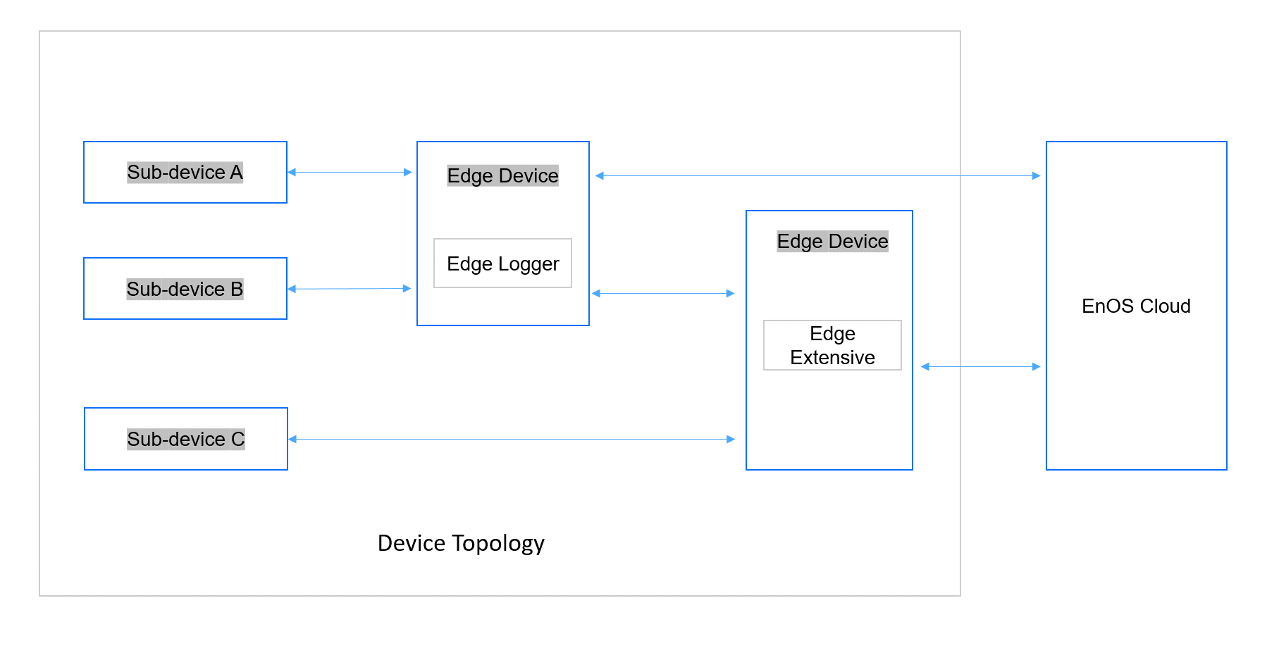
ZH | EN | Description | Illustration
EnOS Edge | EnOS Edge (Edge) | EnOS™ Edge is an intelligent software-defined IoT gateway and edge computing platform that adapts to heterogeneous devices and systems in the physical world and enables cost-effective IoT connectivity, edge computing, local control and optimization solutions.
EnOS 边缘楼宇网关 | EnOS Edge Building Gateway
EnOS 边缘智能传感器网关 | EnOS Edge Sensor Gateway
EnOS 边缘工业物联网关 | EnOS Edge IIoT Gateway
EnOS 边缘物联网关 | EnOS Edge Logger | EnOS Edge Logger is the light-weight gateway software of EnOS Edge based on ARM. It can be deployed on Edge device for lightweight IoT device onboarding.
EnOS 边缘计算服务系统 | EnOS Edge Extensive | EnOS Edge Extensive is the large-scale gateway software of EnOS Edge based on ARM. It can be deployed on Edge device for large-scale IoT device onboarding.
EnOS 管理控制台 | EnOS Management Console | 云端或本地配置工具的网页版可视化界面。通过EnOS 管理控制台，用户能够使用 EnOS 通过 web 浏览器提供的功能。由可称之为“dev portal” Web-based visual interface for the cloud or local configuration tool. The EnOS Management Console enables the user to use functions that EnOS provides via a web browser. It can also be called as dev portal
云端资产配置工具/中心 | Cloud Asset Config Tool/Center | 在 EnOS Cloud 中的EnOS Edge工具集，提供全套的边缘设备配置和管理服务简称Edge云端配置或者Dev Portal。详情参考“操作指南 云端资产配置工具”。 EnOS Edge Cloud Asset Config Tool is a set of tools from EnOS Cloud to model and manage Edge devices and sub-devices remotely. It is called as "Edge Cloud Config" in short. For more information, see "Cloud Asset Config Tool"
本地资产配置工具/中心 | Local Asset Config Tool/Center | 提供设备建模和设备管理工具子集，可部署在 Edge Extensive 和资源充足的 Edge IIoT Gateway 上。详情参考“User Manual 本地资产配置工具”。
本地加载配置工具 | Local Loading Tool | EnOS Edge 内置的配置工具，是本地运维工具的一部分，支持将云端导出的Edge配置文件导入到本地Edge上运行，此工具配合云端资产配置工具使用。详细介绍参考“User Manual 本地运维工具”。
本地运维工具/中心 | Local O&M Tool/Center
资源中心 | Resource Center
云端资源中心 | Cloud Resource Center
边缘资源中心 | Edge Resource Center
伽利略边缘应用管理系统 | Edge Application Management System
对端 | remote | "Remote port", then, must mean the external destination port on WAN side (before forwarding).
本地 | local | "Local port" is the internal destination port on your computer (after forwarding),
监听端口 | monitor port | A monitor port is a port used to establish the connection between the monitor and computer in order to display the computer's output.
网关 | gateway
网闸 | NetGap
Edge部署 | Edge Deployment | 将 EnOS Edge 软件安装到硬件设备中，并将Edge连接 EnOS 管理控制台的过程。
设备管理 | Device Management | 用户可对接入到 EnOS Edge 的子设备进行全生命周期的管理。
边缘计算 | Edge Computing | 在边缘侧对接入到 EnOS Edge 的模型点数据进行预处理和计算，EnOS Edge 平台支持以下几种不同复杂度的边缘计算：公式计算，Lua脚本计算，规则引擎，流式计算。
通信规约 | Protocol | 为保证数据通信系统中通信双方能有效和可靠地通信而规定的双方应共同遵守的一系列约定，包括：数据的格式、顺序和速率、链路管理、流量调节和差错控制等。 在 EnOS Edge 接入设备时，用户需要根据规约手册，对规约配置文件和点表文件进行配置。
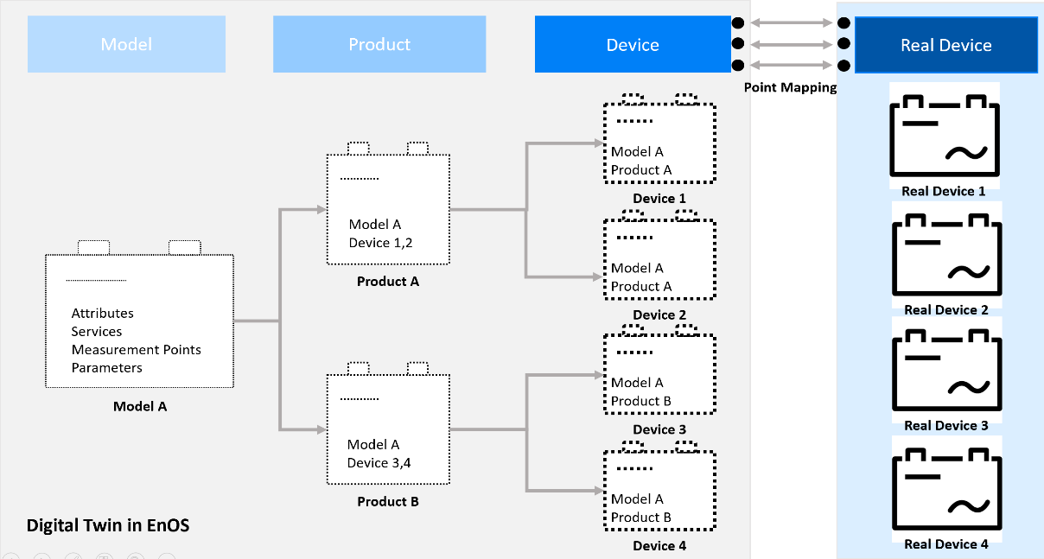
规约配置文件 | Protocol Configuration File | 通信过程中参数配置文件 protocol.sys，可按照实际情况在文件中配置通信超时间隔，采集频率等。
点表文件 | point file | 规约中承载原始设备点信息的文件 point.xlsx。不同的通讯规约对应了不同的点表文件模板，在导入原始设备点时可供下下载。
标准点表 | standard point file
测点映射 | Point Mapping | 测点映射是将维度关联到预先定义的模型测点的过程，即为模型测点数据赋予业务语义的过程。根据映射模型的不同，映射测点有两种方式： 映射公有模型测点：通过为模型测点添加标签，实现标签与对应维度关联。 映射私有模型测点：通过新建虚拟测点实现，该虚拟测点同时与维度和模型测点关联。
测点 | measurement point | 对于以下测点的统称
设备采集点/设备原始测点 | Collection Point | 设备采集点是通过 Enos Edge 接入的子设备原始数据点，如风机设备的风速、电动机转速等数据。采集点有以下几种类型：AI：模拟输入 (analogous input)；DI：数字输入 (digital input；PI：脉冲输入 (pulse input)；
设备控制点 | Control Point | 设备控制点是承载云端或者第三方应用通过 EnOS Edge 向子设备下发的控制命令，如设备的启动、停止、复位等。控制点有以下几种类型：AO：模拟输出 (analogous output)，可以是任意类型的数据；DO：数字输出 (digital output)，一般是整型数据。
设备点 | Device point | 设备采集点和控制点的统称
模型点 | Model Point | 在 IoT Hub 的设备模型中定义的测点。通过 Edge 对终端设备进行接入时，设备采集点和设备控制点会被映射到对应的设备模型点上，上层应用通过模型点进行读写。同一个模型点，既可以关联采集点，又可以关联控制点。
模板 | template | 模板是设备实例与设备模型之间的适配器，主要用于将设备的采集点和控制点经过一定处理映射到标准的设备模型点，并可为同型号的设备复用。 A device template is an adaptor between a physical device and the device model where it maps the collection and control points of a device to the measurement points in the device’s model. This mapping can be reused by any device of the same model.
接入模板 | Access Template | 又称“映射模板”，即接入过程中将设备原始点映射到领域模型点的模板；定义了原始数据点（设备采集点和设备控制点）和标准模型点之间的映射关系和数据上送方式，模板内配置计算公式，在映射至标准模型点前，对原始设备点进行计算。 -模板基本信息：包括模板名称、版本、设备品牌、设备型号、设备点表文件 -点映射：你可以使用点映射完成设备采集点和控制点与标准设备模型测点之间的映射 -脚本：你可以编写在 EnOS Edge 上运行的边缘计算脚本以实现轻量级的计算逻辑，实现设备采集点和控制点到模型测点之间的映射。目前仅支持为 Edge Logger 产品编写 Lua 脚本。

动态模板 | dynamic template
网关设备 | Gateway Device | 网间连接器、协议转换器，是多个网络间提供数据转换服务的计算机系统或设备。
Edge、Edge 设备，Edge 网关、边缘网关 | Edge devices | 即搭载 EnOS Edge软件的网关设备，有时称为“Edge网关”，或“边缘网关”，部署在网络边缘侧现场，可基于设备通信规约对终端设备进行接入。 gateway hardware devices deployed on the site that act as the “gates” between the sub-devices and the platform. It can connect to the EnOS platform directly.
子设备 | Sub-devices | a hardware device that performs certain functions like meter devices and inverter devices. It connects to EnOS through the proxy of Edge device based on specific communication protocols. 有时直接称“设备”，通过通信规约连接到 EnOS Edge 的终端设备，相对于 EnOS Edge 属于下一级，因此也称为子设备。
设备 | Device | An instance of a model. It belongs to a certain product in EnOS. A registered device is the digital twin of a real-world device.
产品 | Product | A collection of devices with the same features in EnOS. The product enables you to manage a collection of devices that are derived from the same model but differ in terms of deployment.
模型 | Model | An abstraction of the product’s features in EnOS. It defines what the product is, what it can do, and what services it can provide. EnOS Cloud 的 IoT Hub 中对设备的特性进行抽象化的模型。模型定义了设备的共同特征，屏蔽了底层设备的差异性，可赋能领域应用进行标准化调用。
box.conf | box.conf | The document contains the registration information of the Edge device on the EnOS. It helps the Edge device recognize the model, product, device and other configurations from EnOS and create connections to EnOS.
HMI | HMI | human machine interface人机交互页面
文件推送 | File Push
文件获取 | File Pull
SCADA | SCADA | supervisory control and data acquisition
级联 | cascade | 对级联的通用说法
Edge 级联 | Edge Cascade | 级联规约及Tab页的说法,cascading也可以作为形容词修饰其他名词
穿网闸服务 | Cross Net-Gap Service​
断点续传 | Data Backfill
边缘计算公式映射 | Edge Computing​ (Formula)
Lua Script 计算 | Edge Computing​ (Lua)
TSDB服务 | TSDB Service​
应用管理 | Application Management​
数据订阅 | Data Subscription
文件服务 | File Service​
关系数据库 | MySQL
应用门户 | APP Portal
画面组态工具 | HMI Graph
连接 | Connection | 设备与配置中心之间的双向通信。通讯过程中，EnOS Edge 与其他系统之间建立起的通讯链路，即通讯通道。 一个连接可以用于接入一个子设备的数据，也可以用于接入一批子设备的数据。一个连接使用一种通讯规约与设备（或系统）进行通讯。EnOS Edge 支持创建两种连接：接入连接；转发连接。
数据采集 | Data Collection
数据接入 | Data Access
数据转发 | Data Forwarding
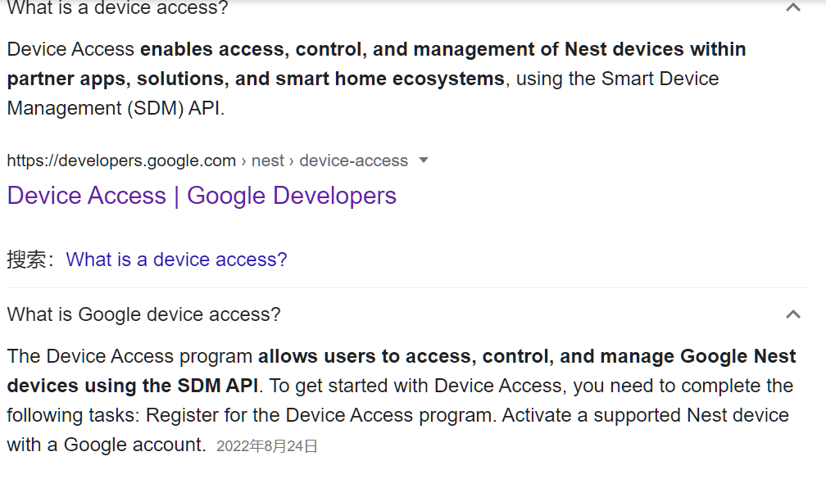
Edge 连接与管理 | Edge Connectivity and Management Service | Edge原来命名为Device access，但是device access是用API接入并不能整体概括Edge接入过程，因此参考EnOS Cloud来概括Edge接入相关的所有服务 Device Connectivity & Management Service 连接与资产管理服务
连接服务 | Connectivity Services | Edge接入服务的简写，不含管理服务
设备接入/Edge 接入/设备数据采集 | Device Onboarding | 通过通信规约将设备连接到 Edge 网关，并将数据进行本地保存、上送云端或转发到第三方的配置调试过程。
设备控制 | Device Control | EnOS Edge 可接受应用下发的控制指令，将其转换成于设备通讯的规约报文，发送到设备中，以实现对接入设备的控制功能。
设备调试 | Device Debugging
子设备管理 | Sub-device Management
资产树管理 | Asset Tree Management
规约管理 | Protocol Management
模板管理 | Template Management
许可证管理 | License Management
版本查询 | Version Query
可视化升级 | Upgrade
系统配置 | System Configuration | 正式场合避免简写成config
功能配置 | Function Configuration | 正式场合避免简写成config
指标监控 | Monitoring
日志管理 | Log Management
运维通道 | O&M Tunnel
本地调试 | Local Debugging
本地加载 | Local Loading | 去掉了配置，简化表达
系统自检 | System Check | 转运维是功能的目的不是功能本身，能否去掉？ 原转运维工具，System diagnosis for O&M handover
本地资产配置 | Local configuration
流式计算 | Stream Computing
规则引擎 | Rule Engine
质量规则 | Quality Rule
告警2.0服务 | Alert 2.0
告警3.0服务 | Alert 3.0
配置归档 | Archiving Configuration
告警归档 | Alert Archiving
遥测5分钟归档 | 5-minute Telemetry Data Archiving
遥测10分钟归档 | 10-minute Telemetry Data Archiving
TSDB原始数据归档 | TSDB Raw Data Archiving
归档文件管理 | Archive File Management
归档服务部署 | Archive Service Deployment
文件服务 | File Service
文件服务部署 | File Service Deployment
时序数据管理 | Time Series Data Management | 与EnOS Cloud统一说法，原TSDB服务，TSDB Service
存储策略 | Storage Policy | 与EnOS Cloud统一说法，原TSDB存储策略,TSDB Storage Policy
时序洞察 | Data Insight
数据清理 | Data Deletion | 与EnOS Cloud统一说法，原数据清理,Data cleaning
有损压缩 | Lossy Compression | 与EnOS Cloud统一说法，原lossy compress
API | API
数据订阅可视化配置 | Visual Configuration
数据订阅SDK | Subscription SDK | 与EnOS Cloud统一说法，原SDK
应用主数据管理 | Application Master data Management
查看数据订阅 | Viewing Subscription | 原查看已有数据订阅，View existing data subscriptions
实时采样数据穿网闸 | Real-time Data Sampling through the Net-Gap | 原Real-time sampling of data through the Net-Gap
实时计算数据穿网闸 | Real-time Data Calculation through the Net-Gap | 原Real-time calculation data through the Net-Gap
文件穿网闸 | File Transmission through Net-Gap | 原send files through net-gap
网闸服务部署 | Net-Gap Service​ Deployment
已支持网闸设备 | Supported Net-Gap Devices | 原Net-Gap Device Supported
高可用性 | High Availability
云边同步 断点续传 | Cloud-Edge Data Backfill | 原Cloud-edge synchronization Break point data back fill
容器化 | Edge Container
OTA升级 | OTA Upgrade | 与EnOS Cloud同步，原OTA
实时数据级联 | Real-time Data Cascade
文件级联 | File Cascade
控制级联 | Control Cascade
级联断点续传 | Cascading Data Backfill | 原Cascading Backfill
云端配置级联 | Cloud Cascade Configuration | 名词Cascade，形容词Cascading
本地配置级联 | Local Cascade Configuration | 名词Cascade，形容词Cascading
Poseidon SDK | Poseidon SDK
数据订阅SDK | Data Subscription SDK
操作系统安全 | Operating System Security
身份标识与鉴别 | Edge Device Identity and Authentication | 英文能否去掉Edge Device?
接入认证 | Access Authentication
数据安全存储 | Data Storage Security
数据安全传输 | Data Transmission Security
数据安全使用 | Data Usage Security
应用注册与开发 | Application Registration and Development
用户登录权限与访问控制 | Login Privilege and Access Control
子网掩码 | Netmask
ABS | ABS | American Bureau of Shipping
AFE | AFE | Analog Front End
AIOT | AIOT | Artificial Intelligence & Internet of Things
BESS | BESS | Battery energy storage system
BMS | BMS | Battery Management System
BMU | BMU | Battery Management Unit
CAN | CAN | Controller Area Network
C&I | C&I | Commercial & Industrial
DER | DER | Distributed Energy Resources
EMC | EMC | Electromagnetic Compatibility
EMS | EMS | Energy Management System
EV | EV | Electric Vehicle
FSS | FSS | Fire Suppression System
HV | HV | High Voltage
HVAC | HVAC | Heating Ventilation Air Conditioning
HVIL | HVIL | High Voltage Interlock Loop
LFP | LFP | Lithium iron Phosphate
MSD | MSD | Manual Service Disconnect
NCM | NCM | Nickel Cobalt Manganese
NTC | NTC | Negative Temperature Coefficient
OTA | OTA | Over the Air
PCS | PCS | Power Conversion System
RBMS | RBMS | Rack BMS
RTC | RTC | Real Time Clock
SOC | SOC | State of Charge
SOP | SOP | State of Power
SOH | SOH | State of Health
SOE | SOE | State of Energy
Module | Module | Group of cells connected together either in a series and/or parallel configuration with or without protective devices and monitoring circuitry.
Pack | Pack | Energy storage device, which is comprised of one or more cells or modules electrically connected.
Rack | Rack | Energy storage device, which is comprised of one or more packs electrically connected in serial.
Bank | Bank | Energy storage device, which is comprised of one or more racks electrically connected to the same DC Bus in parallel.
抓包 | packet capture
交付实施人员 | Delivery Engineer
安全审计员 | Security Auditor
审核管理员 | Approver
业务配置员 | Operator
系统管理员 | System Administrator
菜单按钮
Edge 详情 | Edge Details
接入管理
基本信息 | Basic Information
接入管理 | Access Management
子设备管理 | Device Management
资产树 | Asset Tree
串口 | Serial Port
以太网 | Ethernet
客户端 | Client
服务器端 | Server

